PLANETARY GEARBOX
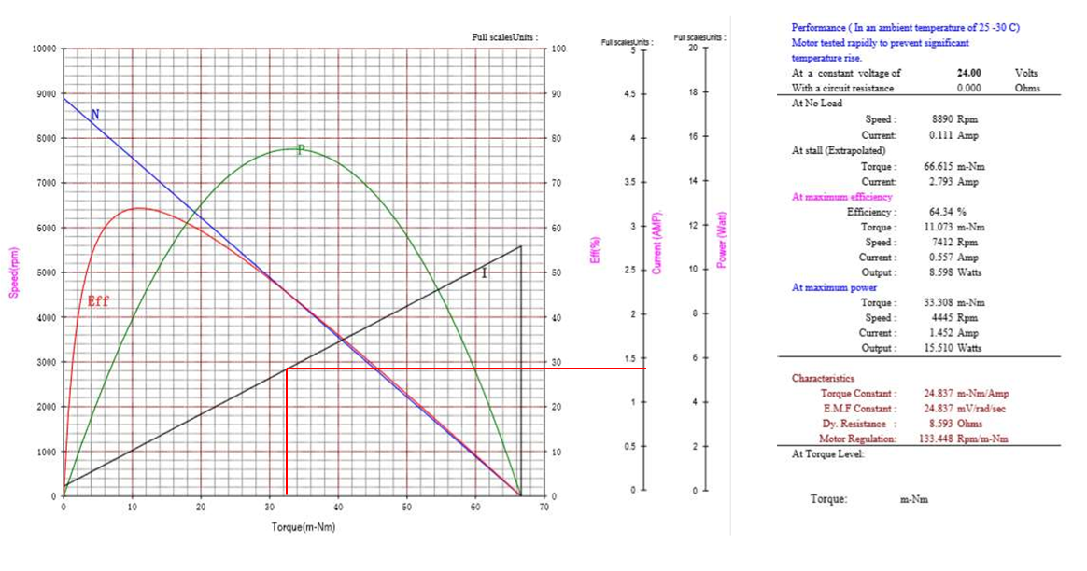
2-STAGE PLANETARY GEAR DRIVE

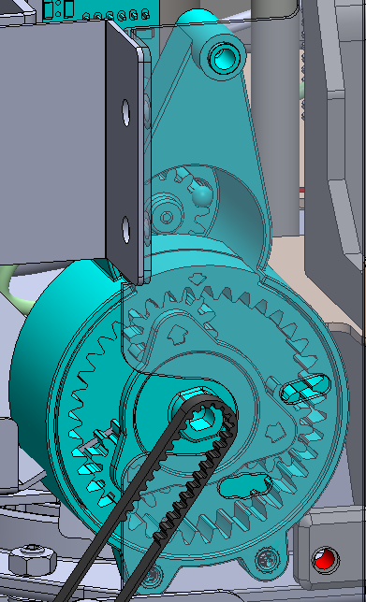
Input Parameters |  |  | SUMMARY OF CRITICAL POINTS
Parameters | Value | Unit | Parameters | Value | Unit
Motor Speed | 7412 | rpm | Critical Bending force | 7.04 | kgf
Mesh Efficiency | 98% | % | Output Pushing force | 11.44 | kgf
Input torque | 0.113 | kg-cm | Output Efficiency | 87% | %
 |  |  | Output Torque | 143.12 | N-mm
 |  |  | Output Speed | 498.2 | RPM
Path | Gear # | Part Number | No. of Teeth | Module | Pitch Dia | Gear Ratio to Motor | RPM | Torque kg-cm | Torque mN-m | Tangential force (N) @ motor maximum eff. (0.55A) | Tangential force (kgf) @ motor maximum eff. (0.55A) | Tangential force (N) @ motor Stall (1.4A) | Tangential force (kgf) @ motor Stall (1.4A) | GearTrain Eff
Motor Pinion | 1 | Pinion | 14 | 1 | 14 | 1.0 | 7412.0 | 0.11 | 11.08 | 1.58 | 0.16 | 4.97 | 0.51 | 1.000
Idler Gear | 2 | Idler | 14 | 1 | 14 | 1.0 | 7412.0 | 0.11 | 10.86 | 1.55 | 0.16 | 4.87 | 0.50 | 0.980
Sun Gear | 3 | Sun Gear | 14 | 1 | 14 | 1.0 | 7412.0 | 0.11 | 10.64 | 1.52 | 0.15 | 4.77 | 0.49 | 0.960
1st Stage carrier reduction | 4 | RING GEAR | 40 | 1 | 40 | 3.9 | 1921.6 | 0.41 | 40.23 | 2.01 | 0.21 | 6.31 | 0.64 | 0.941
 | 5 | 1st stage Planet Gears | 13 | 1 | 13 |  |  |  |  | 6.19 | 0.63 | 0.00 | 0.00
2nd stage Sun Gear | 6 | 2nd stage Sun Gear | 14 | 1 | 14 | 3.9 | 1921.6 | 0.39 | 38.64 | 5.52 | 0.56 | 17.32 | 1.77 | 0.904
2nd stage carrier reduction | 7 | 2nd stage Ring Gear | 40 | 1 | 40 | 14.88 | 498.2 | 1.49 | 146.05 | 7.30 | 0.74 | 22.91 | 2.34 | 0.886
 | 8 | 2nd stage Planet Gear | 13 | 1 | 13 |  |  | 1.46 | 143.12 | 22.02 | 2.24 | 69.09 | 7.04 | 0.868
Belt/Pulley | 9 | Belt/Pulley | N/A | N/A | 8 | 14.88 | 498.2 | 147.82 | 143.12 | 35.78 | 3.65 | 112.27 | 11.44 | 0.868

